Introduction


Boiler Upgrade Scheme Annual Report Dataset - 2022-23

This spreadsheet provides access to the figures used to produce the charts and tables in the BUS 2022-23 Annual Report.
The information contained in this spreadsheet should be read in conjunction with the information presented in the Annual Report.

Table of Contents
Figure 2.1: Summary of grant application process and Year 1 volumes
Figure 2.2: Stage 1 applications received by technology type
Figure 2.3: Expired vouchers
Figure 2.4: Comparison between BUS Year 1 redemptions and average monthly DRHI deployment between 2018-19 and 2020-21
Figure 3.1: Grants paid by technology type - Scheme Year 1
Figure 3.2: Regional distribution of grants paid by technology type – Scheme Year 1
Figure 3.3: Replaced heating systems – Scheme Year 1
Figure 3.4: Proportion of grants paid for domestic vs non-domestic installations
Figure 3.5: Average total quote amount for BUS grants paid (grant value included)
Figure 3.6: Installation quote distribution by technology type (grant value included)
Figure 4.1: Top 30 installers ranked by number of applications
Figure 5.1: Statistical and targeted audits - Scheme Year 1
Figure 5.2: Statistical audit non-compliances – Scheme Year 1
Figure 5.3: Summary of compliance cases - Scheme Year 1
Figure 5.4: Most common non-compliances - Scheme Year 1

Version Control | Date Published | Changes
v1.0 | 2023-07-31

Fig 2.4
Figure 2.4: Comparison between BUS Year 1 redemptions and average monthly DRHI deployment between 2018-19 and 2020-21*

This chart shows the number of unique redemption applications received on the BUS each month and average monthly successful applications on the DRHI between 2018-19 and 2020-21.
In line with expectations, redemption volumes were lower on the BUS during May and June, but picked up in July as larger volumes of the vouchers issued in the first two months of the scheme were redeemed.
By July, BUS volumes had overtaken average monthly deployment on the DRHI and remined substantially higher for the remainder of the period.

 | April | May | June | July | August | September | October | November | December | January | February | March
BUS (Y1) redemptions received | - | 175 | 162 | 854 | 1,022 | 1,104 | 1,304 | 1,339 | 1,016 | 1,153 | 1,042 | 1,126
BUS (Y1) redemptions received (Cumulative) | - | 175 | 337 | 1,191 | 2,213 | 3,317 | 4,621 | 5,960 | 6,976 | 8,129 | 9,171 | 10,297
DRHI (18-19 to 20-21) avg monthly applications | 545 | 658 | 694 | 381 | 360 | 380 | 446 | 432 | 462 | 653 | 642 | 538
DRHI (18-19 to 20-21) avg monthly applications (Cumulative) | 545 | 1,203 | 1,897 | 2,278 | 2,639 | 3,018 | 3,465 | 3,897 | 4,359 | 5,012 | 5,654 | 6,192

*So that a fair comparison is made, redemption applications on BUS are compared with successful applications on DRHI submitted between April 2018 and March 2021.
The following DRHI applications have been removed: installations located in Scotland, applications for solar thermal installations, applications from social landlords – all of which are not eligible under the BUS.
DRHI data for 2021-22 has not been used due to distorted application volumes as a result of DRHI scheme closure at the end of March 2022.
The figures in the chart have been adjusted to remove re-applications, hence the total redemptions is lower than the 10,320 reported elsewhere for Scheme Year 1.

Return to information tab

Fig 3.1
Figure 3.1: Grants paid by technology type - Scheme Year 1

This chart shows a breakdown of the 9,983 grants paid by technology type.
ASHPs make up 96.3%, ground source heat pumps (GSHPs) 2.4%, biomass 1.1%, and shared ground loop ground source heat pumps (SGL GSHPs) 0.1%.

 | Air source heat pumps | Ground source heat pumps | Biomass boilers | Ground source heat pumps (shared ground loop)
Grants paid | 9,617 | 243 | 114 | 9
Percentage of grants paid | 96.3% | 2.4% | 1.1% | 0.1%

Return to information tab

Fig 3.2
Figure 3.2: Regional distribution of grants paid by technology type – Scheme Year 1

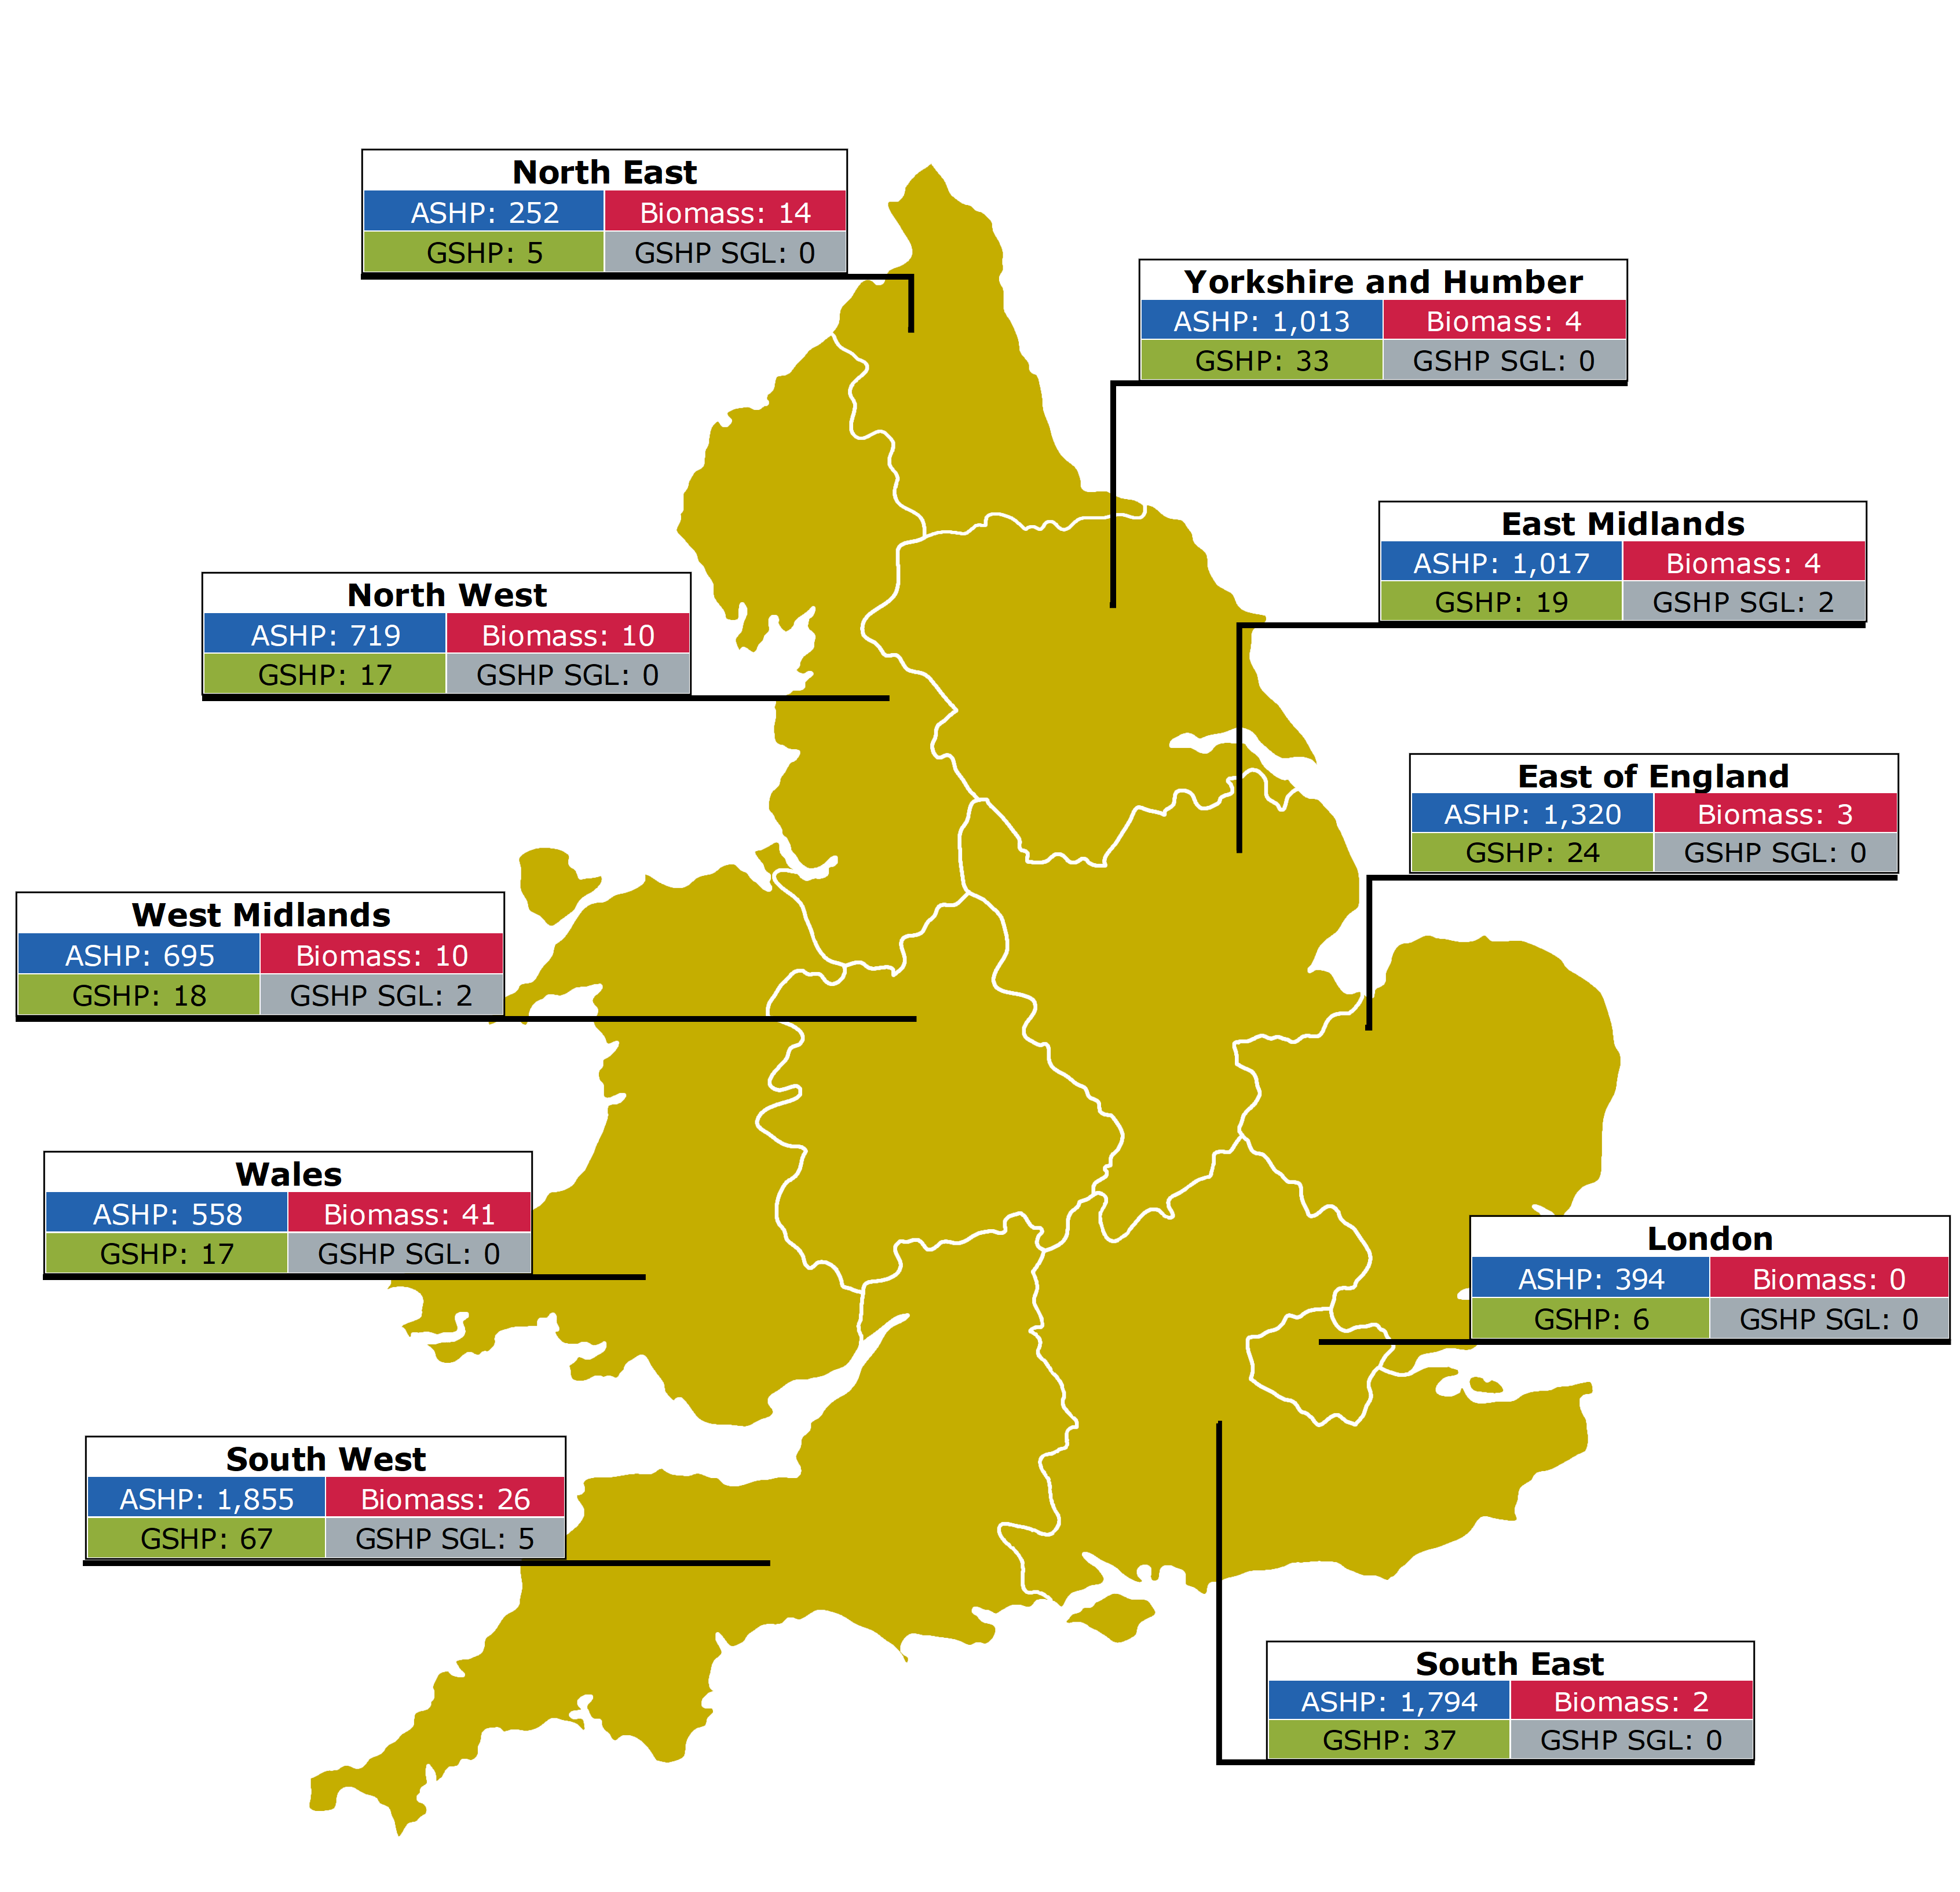
This map shows that South West England has the highest number of BUS installations, with 19.6% of the total.
This is closely followed by South East England with 18.4% and East of England with 13.5%.
At the other end of the spectrum the North East of England accounts for the lowest proportion with 2.7% of installations, followed by London with 4.0% and Wales with 6.2%.

ASHP = Air source heat pump |  | GSHP SGL = Ground source heat pump (shared ground loop)
GSHP = Ground source heat pump

Location | Air source heat pump | Ground source heat pump | Biomass boiler | Ground source heat pump (shared ground loop) | Total | % of total
South West | 1,855 | 67 | 26 | 5 | 1,953 | 19.6%
South East | 1,794 | 37 | 2 | 0 | 1,833 | 18.4%
East of England | 1,320 | 24 | 3 | 0 | 1,347 | 13.5%
Yorkshire and The Humber | 1,013 | 33 | 4 | 0 | 1,050 | 10.5%
East Midlands | 1,017 | 19 | 4 | 2 | 1,042 | 10.4%
North West | 719 | 17 | 10 | 0 | 746 | 7.5%
West Midlands | 695 | 18 | 10 | 2 | 725 | 7.3%
Wales | 558 | 17 | 41 | 0 | 616 | 6.2%
London | 394 | 6 | 0 | 0 | 400 | 4.0%
North East | 252 | 5 | 14 | 0 | 271 | 2.7%
Grand Total | 9,617 | 243 | 114 | 9 | 9,983

Return to information tab

Fig 3.3
Figure 3.3: Replaced heating systems – Scheme Year 1

This chart shows the number and type of heating systems that have been replaced by BUS installations.
Gas systems made up 46.3% of the total and oil was the second most common at 22.9%.
Overall, replaced fossil fuelled systems account for 74.1% of grants paid.
15.9% of the grants paid were for properties where there was no previous heating system, all of which were eligible self-build properties.

 | Gas | Oil | Direct Electric | LPG | Coal | Other | None
Grants paid | 4,626 | 2,289 | 880 | 359 | 124 | 113 | 1,592
Percentage of grants paid | 46.3% | 22.9% | 8.8% | 3.6% | 1.2% | 1.1% | 15.9%

Return to information tab

Fig 3.4
Figure 3.4: Proportion of grants paid for domestic vs non-domestic installations

This chart shows the breakdown of grants paid for domestic vs non-domestic installations.
Domestic installations accounted for 8,710 or 99.6% of all installations where this information was declared by the applicant.
This compares to 37 or 0.4% for non-domestic. This information was not provided by the remaining 1,236 applicants.

 | Domestic | Non-domestic
Grants paid | 8,710 | 37
Percentage of grants paid | 99.6% | 0.4%

Return to information tab

Fig 3.6
Figure 3.6: Installation quote distribution by technology type (grant value included)

This chart shows the distribution of installation quotes as reported by installers before the grant value has been deducted.
There is a bell curve distribution for ASHP installation quotes, with installations most commonly being in the £12,501 to £15,000 range.
Biomass follows a similar pattern to ASHPs but with installations most commonly falling in the £15,001 to £20,000 range.
GSHPs show a distribution skewed towards the upper end of the scale with installations most commonly being in the £30,001 to £50,000 range.
The distribution for SGL GSHPs does not seem to follow a pattern, but with the small sample size no reliable conclusions can be drawn.

 | Air source heat pumps | Ground source heat pumps | Ground source heat pumps (shared ground loop) | Biomass boilers
£7,501 to £10,000 | 5.2% | 0.0% | 14.3% | 0.0%
£10,001 to £12,500 | 30.8% | 0.0% | 28.6% | 16.3%
£12,501 to £15,000 | 37.4% | 9.2% | 0.0% | 25.0%
£15,001 to £20,000 | 26.6% | 26.2% | 28.6% | 35.9%
£20,001 to £30,000 | 0.0% | 30.3% | 14.3% | 22.8%
£30,001 to £50,000 | 0.0% | 33.8% | 14.3% | 0.0%
£50,001 or more | 0.0% | 0.5% | 0.0% | 0.0%

Return to information tab

Fig 4.1
Figure 4.1: Top 30 installers ranked by number of applications

This chart shows that the top ranked installer was responsible for almost 5% of total BUS applications in Year 1.
The top ten installers were responsible for 23.1%, the top 20, 32.1% and the top 30, 38.1%.

Installer rank | Applications Submitted | Percentage of total applications | Cumulative applications | Cumulative percentage
1 | 713 | 4.5% | 713 | 4.5%
2 | 608 | 3.9% | 1,321 | 8.4%
3 | 584 | 3.7% | 1,905 | 12.1%
4 | 384 | 2.4% | 2,289 | 14.5%
5 | 326 | 2.1% | 2,615 | 16.6%
6 | 245 | 1.6% | 2,860 | 18.1%
7 | 238 | 1.5% | 3,098 | 19.6%
8 | 196 | 1.2% | 3,294 | 20.9%
9 | 180 | 1.1% | 3,474 | 22.0%
10 | 165 | 1.0% | 3,639 | 23.1%
11 | 162 | 1.0% | 3,801 | 24.1%
11 | 162 | 1.0% | 3,963 | 25.1%
13 | 161 | 1.0% | 4,124 | 26.2%
14 | 152 | 1.0% | 4,276 | 27.1%
15 | 149 | 0.9% | 4,425 | 28.1%
16 | 141 | 0.9% | 4,566 | 29.0%
17 | 138 | 0.9% | 4,704 | 29.8%
18 | 129 | 0.8% | 4,833 | 30.7%
19 | 111 | 0.7% | 4,944 | 31.4%
20 | 110 | 0.7% | 5,054 | 32.1%
21 | 109 | 0.7% | 5,163 | 32.7%
22 | 105 | 0.7% | 5,268 | 33.4%
23 | 104 | 0.7% | 5,372 | 34.1%
24 | 101 | 0.6% | 5,473 | 34.7%
25 | 99 | 0.6% | 5,572 | 35.3%
25 | 99 | 0.6% | 5,671 | 36.0%
27 | 88 | 0.6% | 5,759 | 36.5%
28 | 87 | 0.6% | 5,846 | 37.1%
29 | 86 | 0.5% | 5,932 | 37.6%
30 | 75 | 0.5% | 6,007 | 38.1%

Return to information tab

